Sheet1
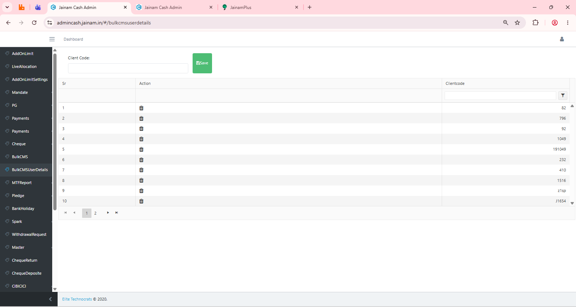
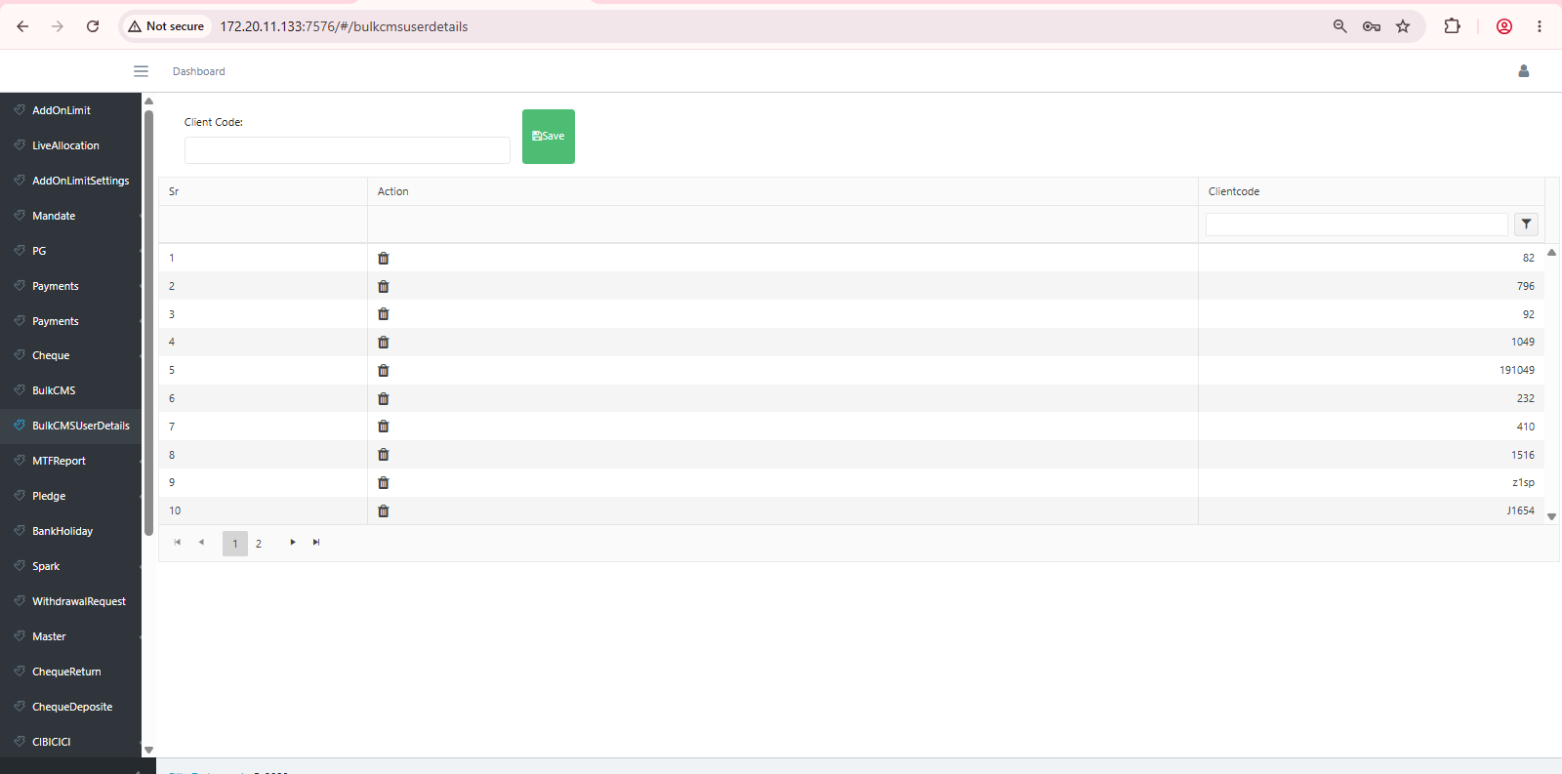
Elite cash admin :- MTF file uploaded functionality working fine |  |  | Status :- Data matched |  | In house cash admin :- MTF file uploaded functionality working fine Status :- Data matched
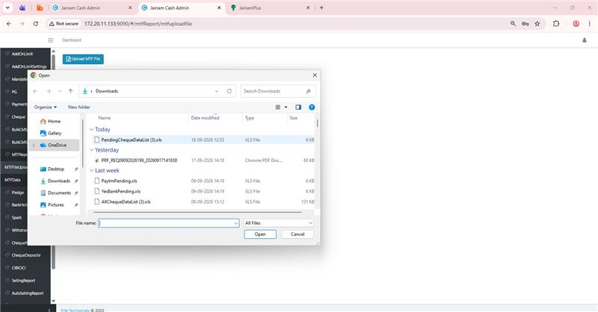
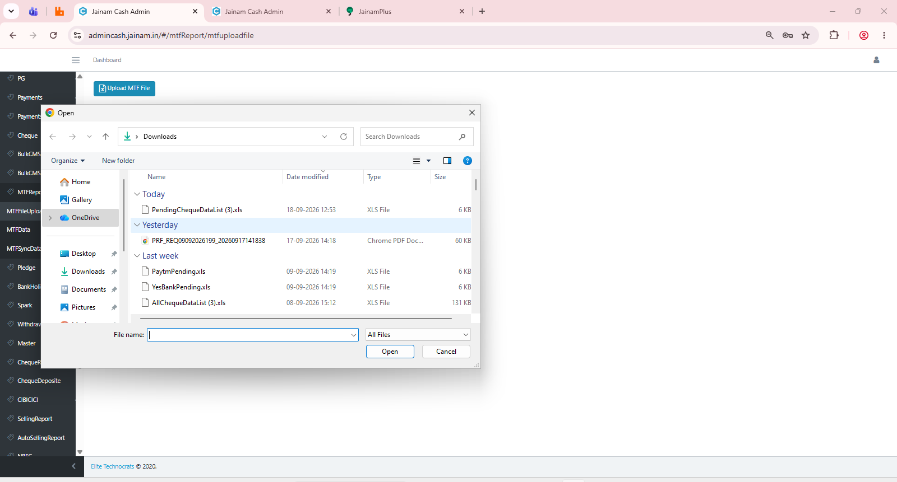

Elite Cash admin :- MTF data >> there is no data on production (even selection date range aprox 3 months |  |  |  |  |  | Status :- Data matched ( Total count = 0 |  |  |  |  |  |  | In-House cash admin MTF data >> no data on UAT .
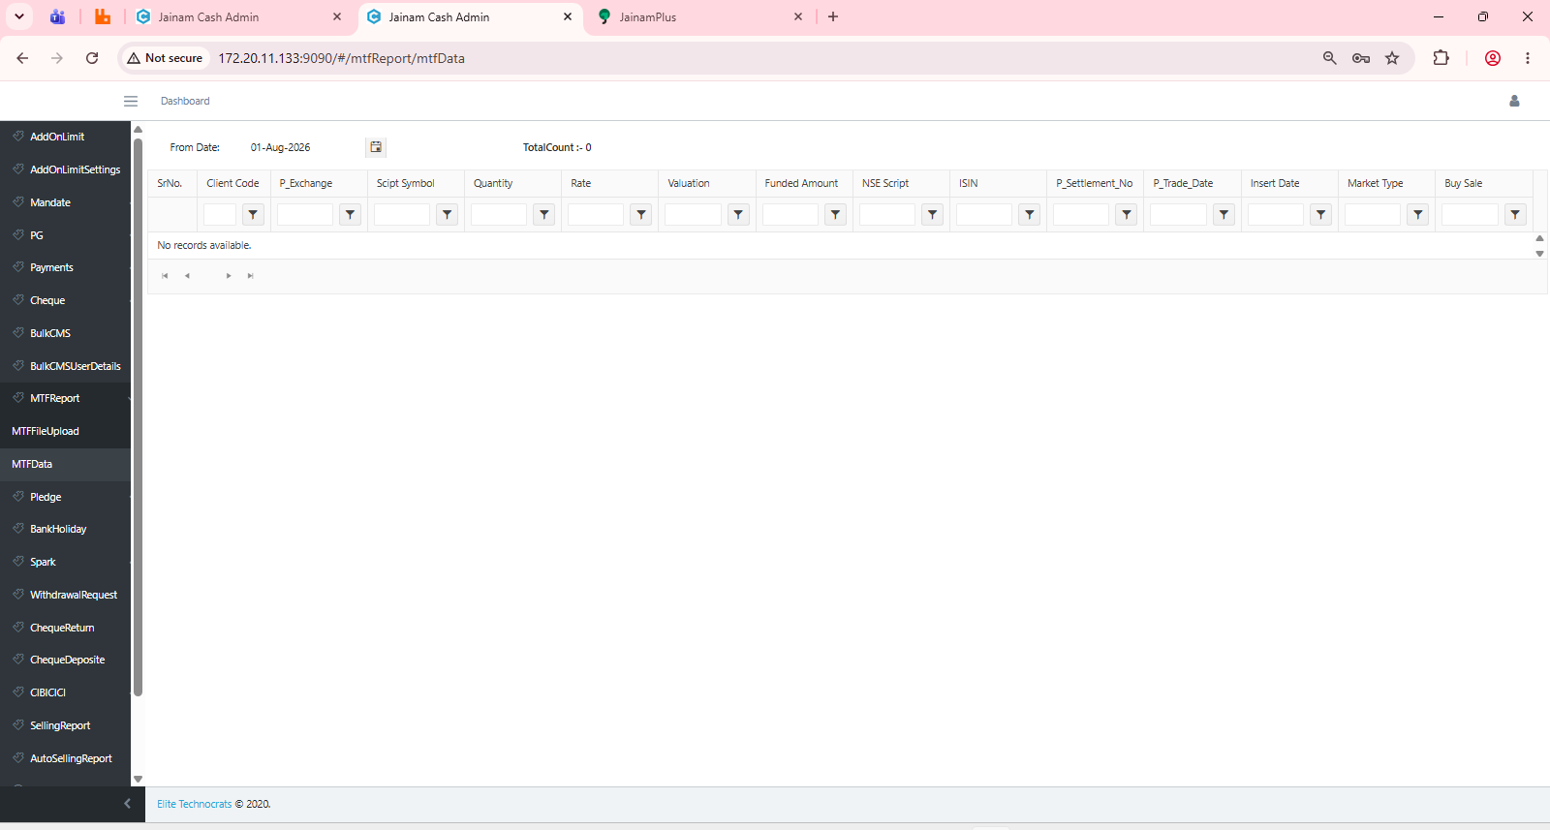
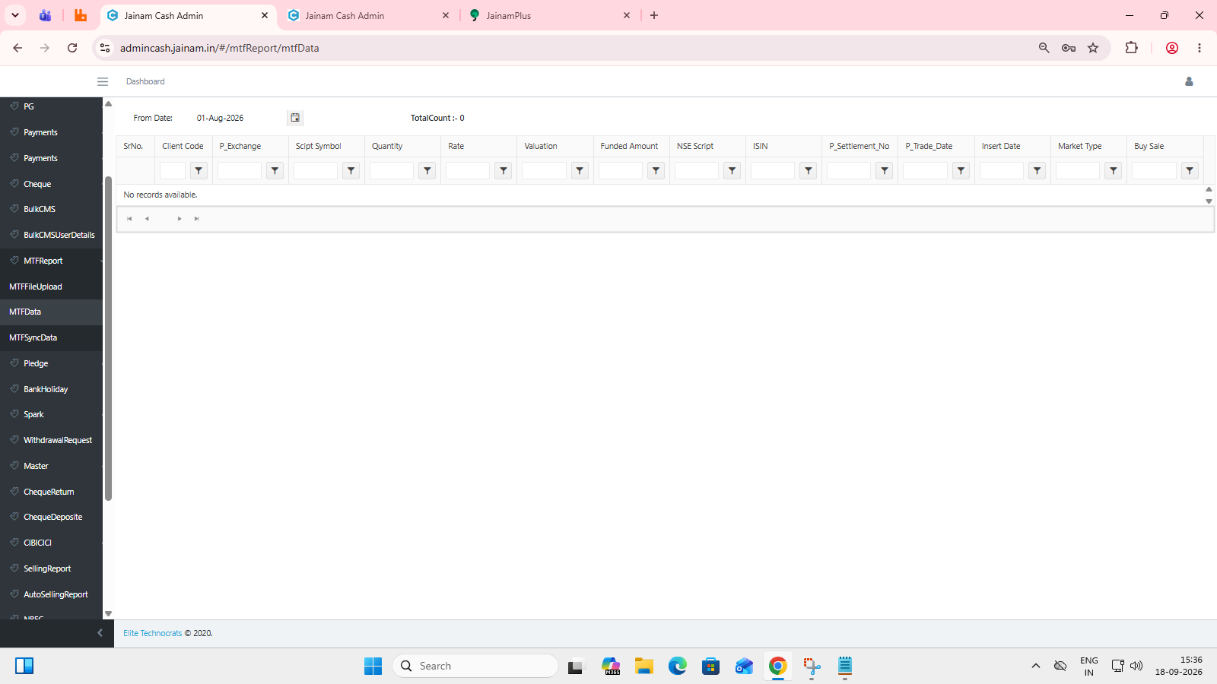

 |  | Elite cash admin :- live allocation tabs data matched |  |  |  | Status :- Data matched |  |  |  | In-House Cash admin ( Preprod ) Live allocation tabs data matched

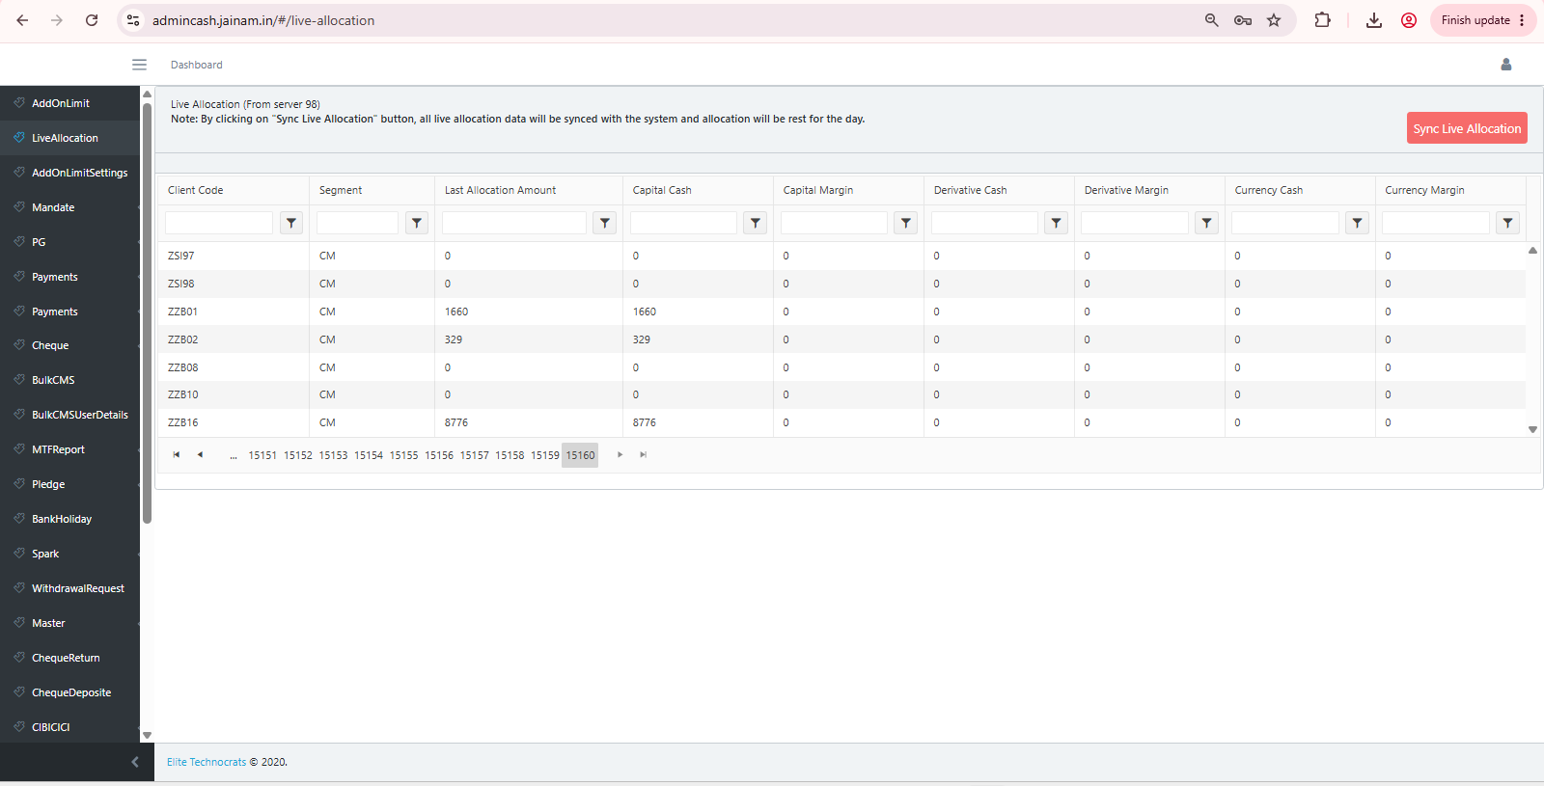
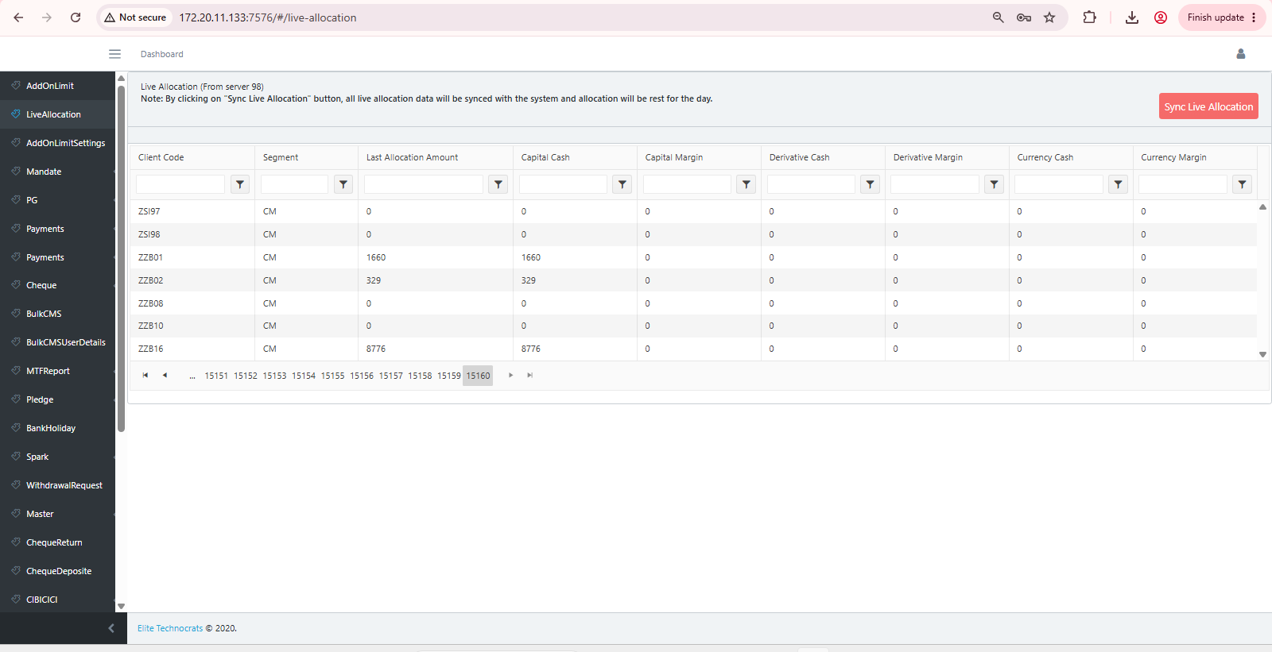

 | Elite cash admin :- Add on limit setting data matched |  |  |  |  | Status :- Data matched |  |  |  |  |  | In-House cash admin ( production) Add on limit setting data matched

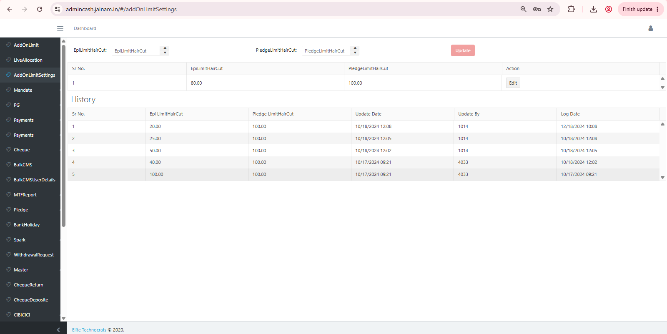
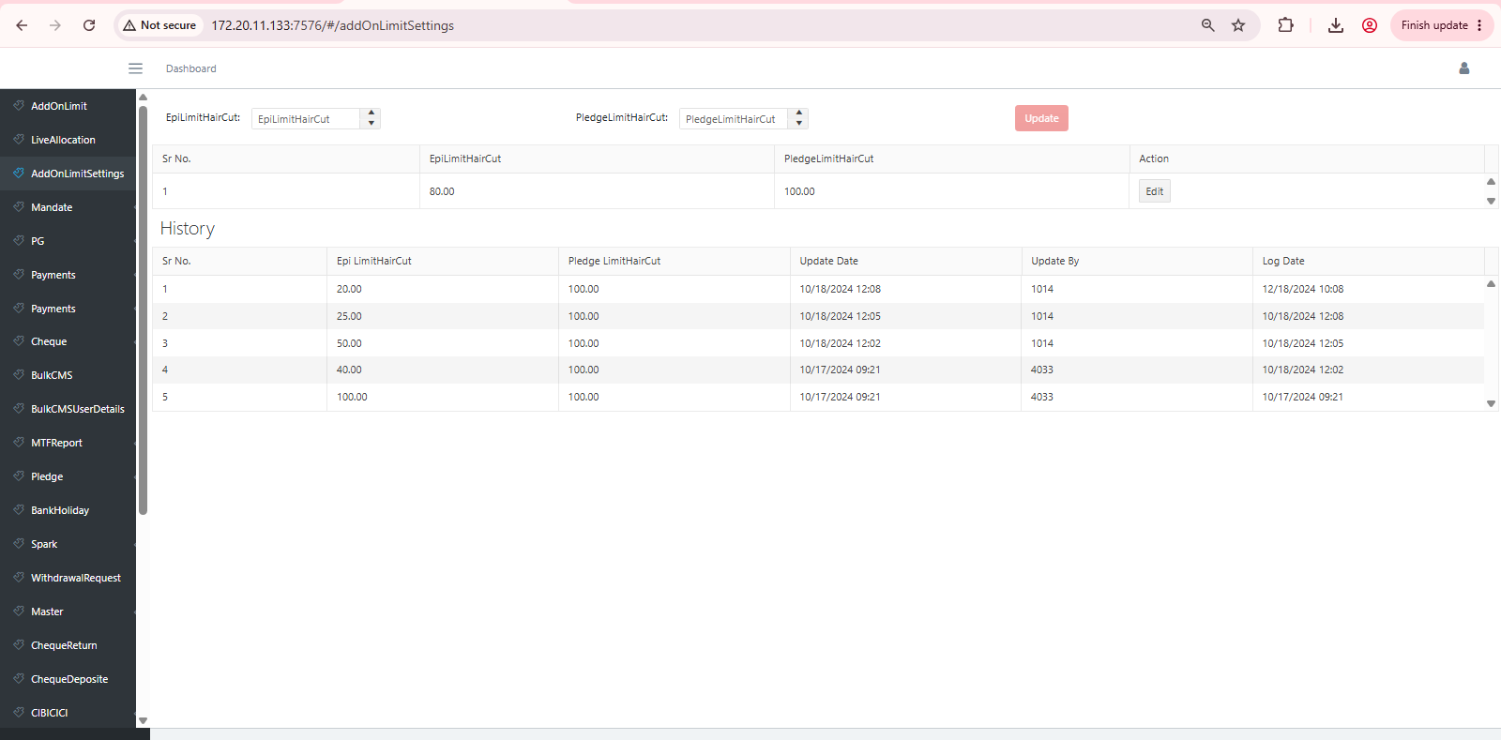

Elite cash admin :- Download mandate file tabs >> showing 04 date functionality ( As discussed not checking any option due to checking production enviroment

 |  |  |  |  |  | Status :- Data matched
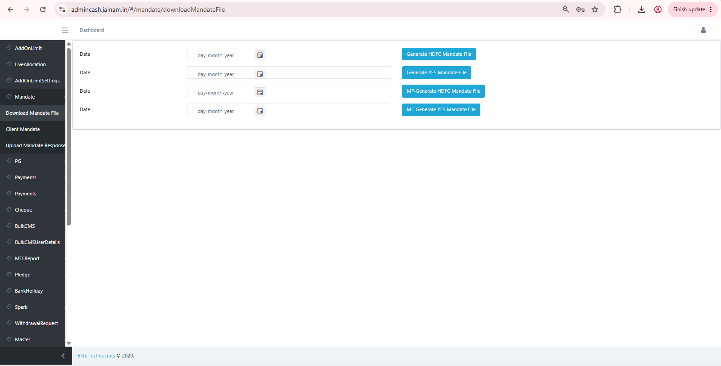
 |  |  |  |  |  |  |  |  | In-House cash admin :- Download mandate file tabs >> showing 04 date functionality ( As discussed kaustub not checking any option due to checking preprod environment

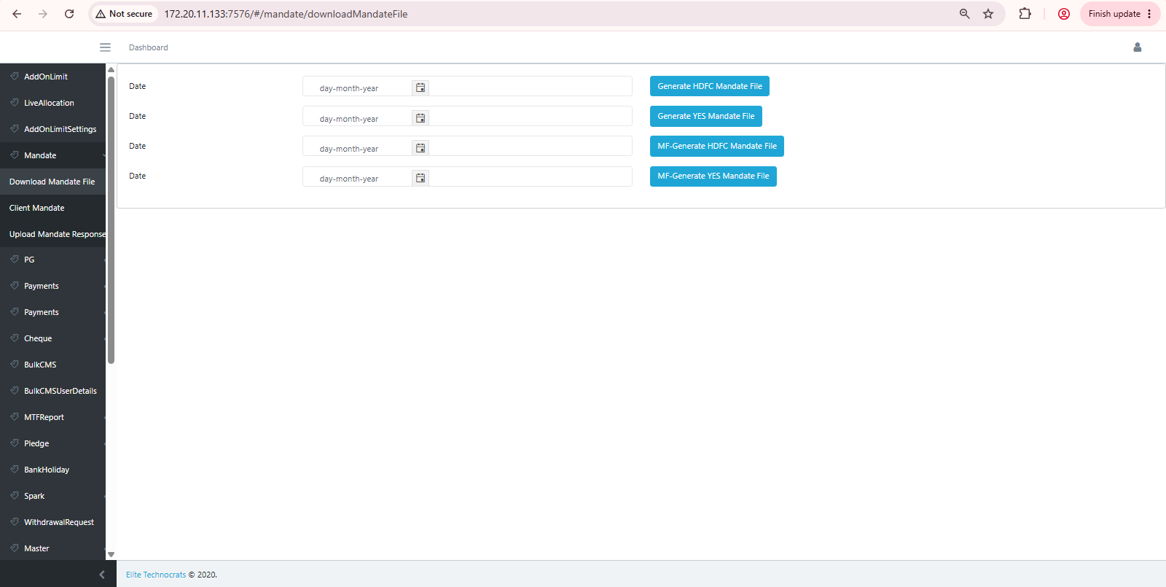

Elite cash admin >> Steps ( mandate > Client mandate ) data pagination matched and export functionality |  |  |  |  |  | Status :- Data matched |  |  | In house cash admin >> ( mandate > client mandate ) data pagination matched and export functionality

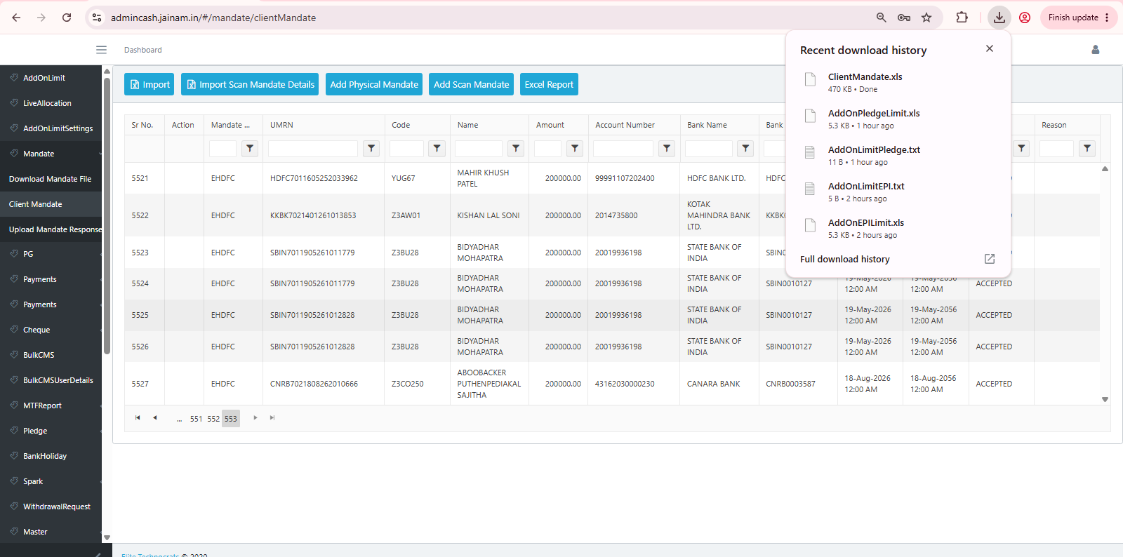
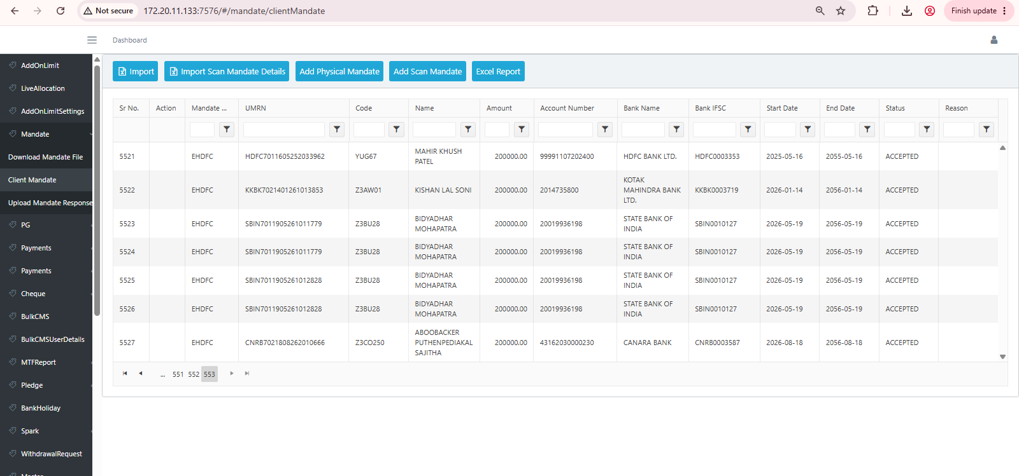
 |  |  |  |  |  |  |  |  | Data matched

 |  |  |  |  | Status :- Data matched |  |  |  |  |  | In-House cash admin :- Bulk cms pagination data matched
Elite cash admin :- BUlk CMS pagination data matched

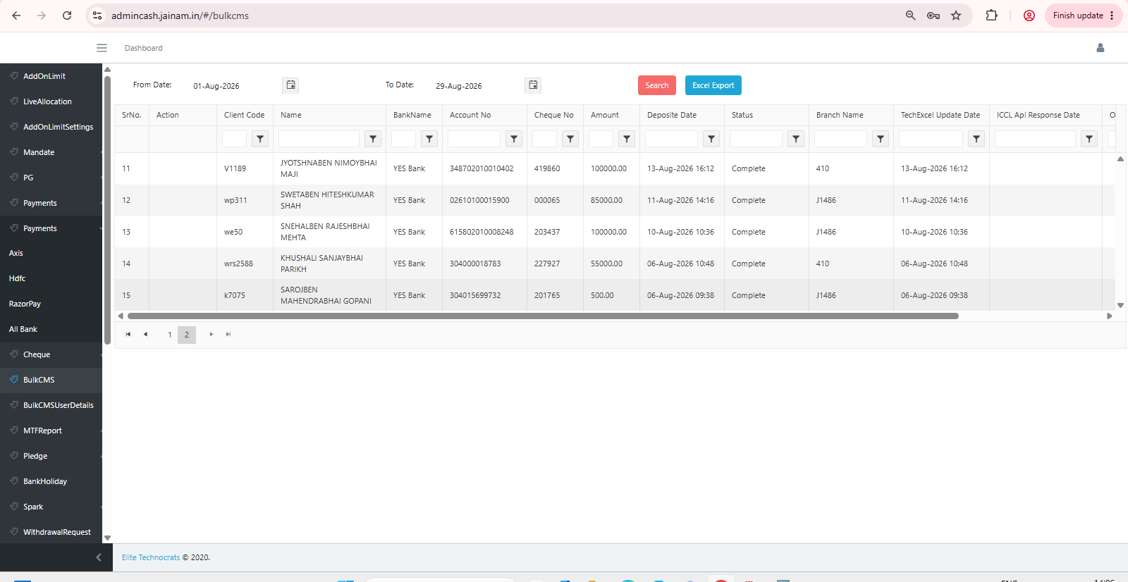
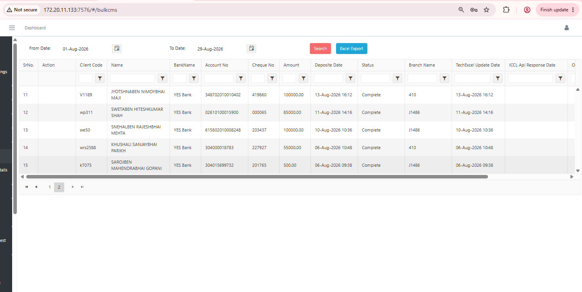

 |  |  |  |  | Status :- Data matched
 | Elite Cash admin :- Bank Holiday Pagination data mathed |  |  |  |  |  |  |  |  |  | In-House cash admin :- Bank Holiday pagination data matched

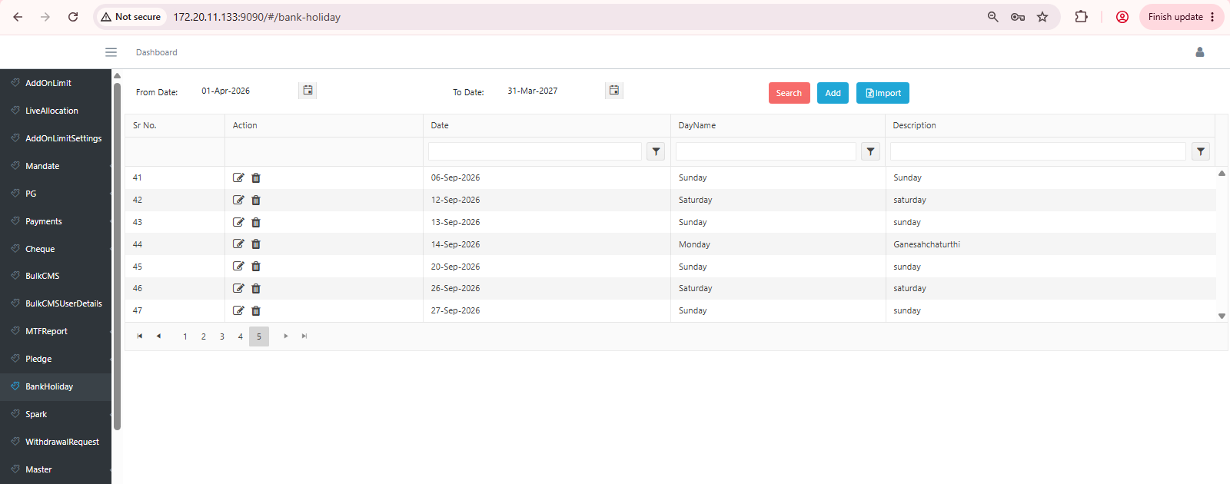
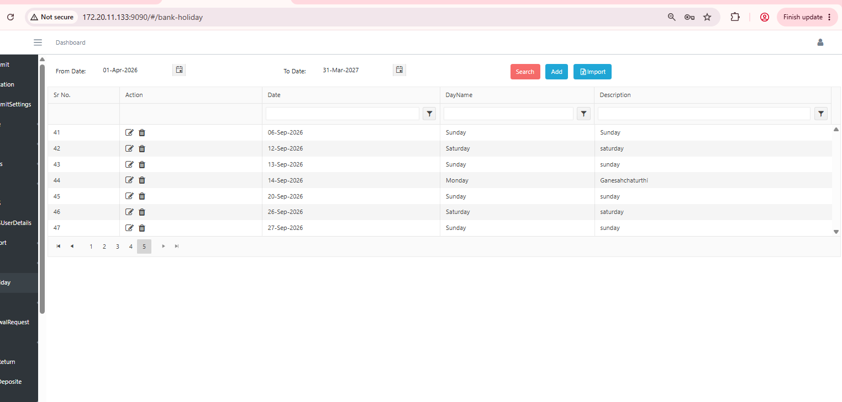

 | Elite Cash admin : - Withdrawal request tab Pagination data matched |  |  |  | Status :- Data matched

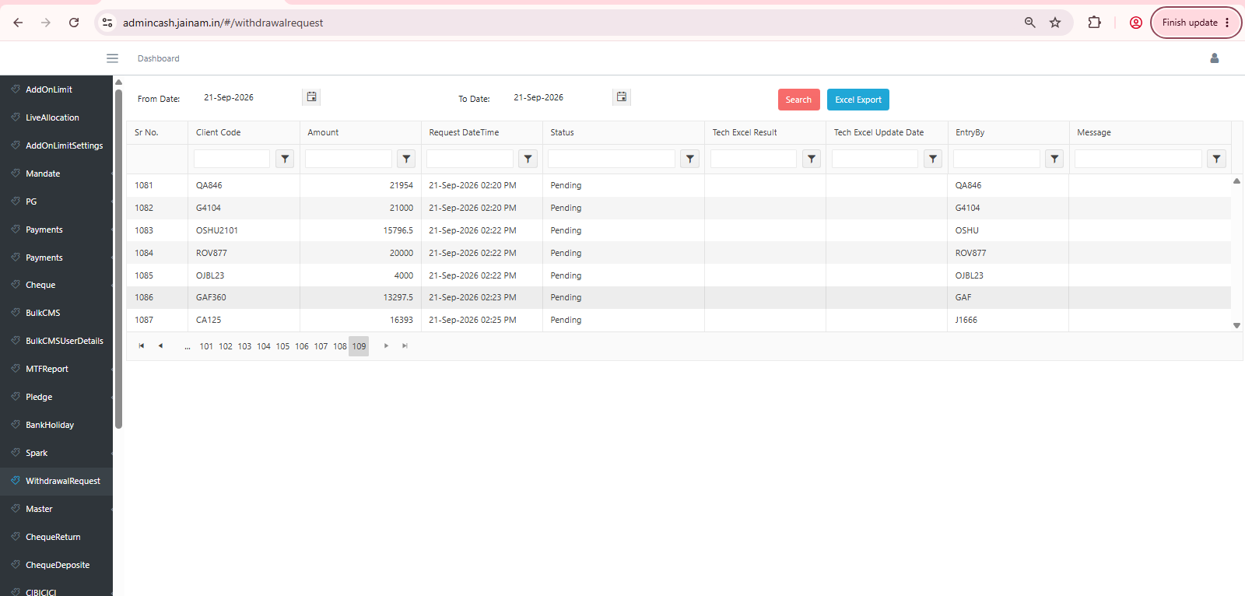
 |  |  |  |  |  |  |  |  | In-House cash admin :- Withdrawl request tab pagination data matched

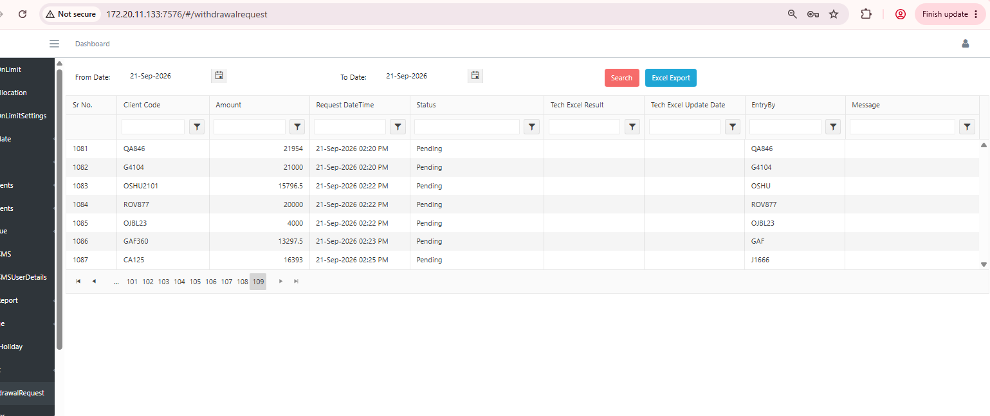

Elite Cash admin :- (Production) Cheque user details :- there is no data |  |  |  |  |  |  | In-House Cash admin :- ( Preprod ) Cheque user details :- there is no data

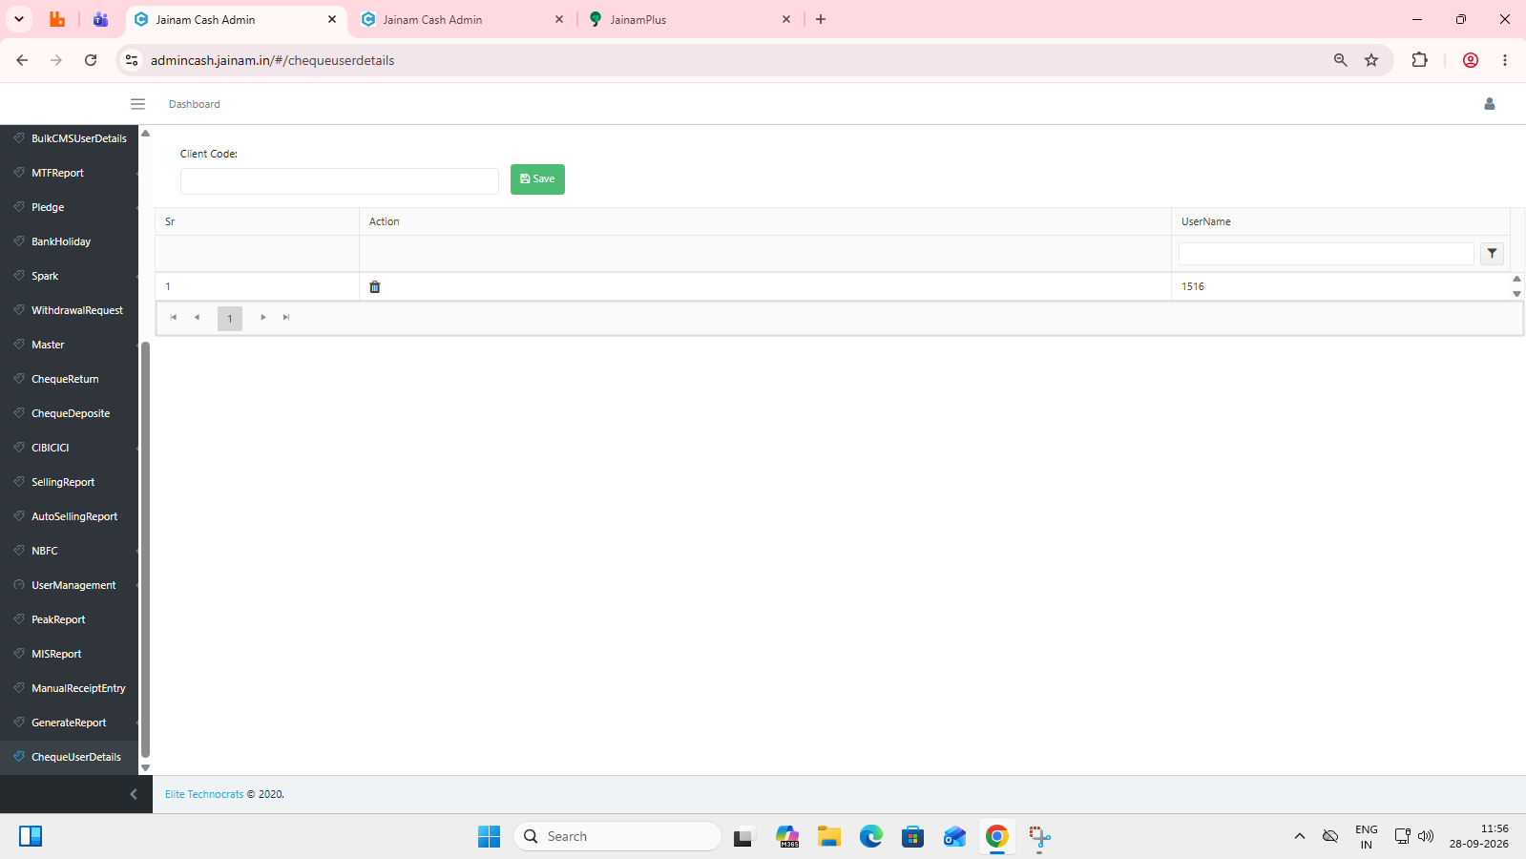
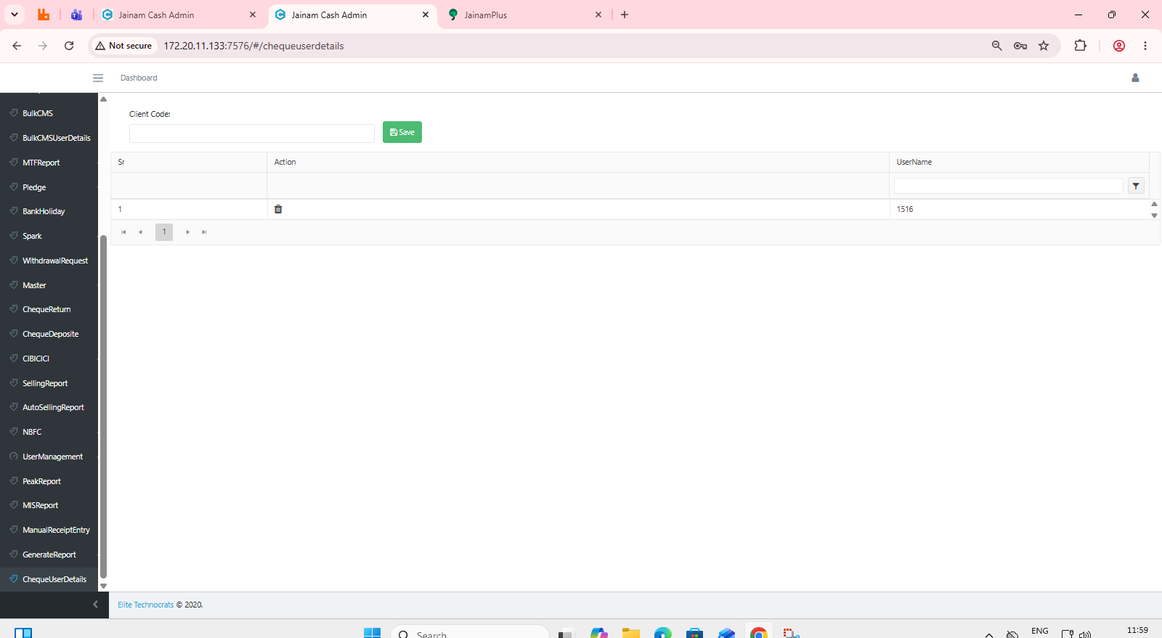

Elite Cash admin ( Production ) Steps :- User management >> Roles |  |  |  |  |  |  | In-House cash admin ( Preprod ) Steps :- User management >> Roles
 |  |  | Status :- Data matched

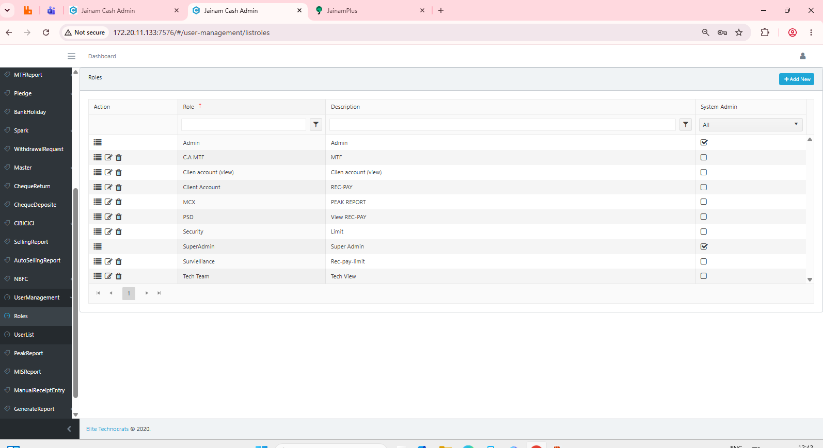
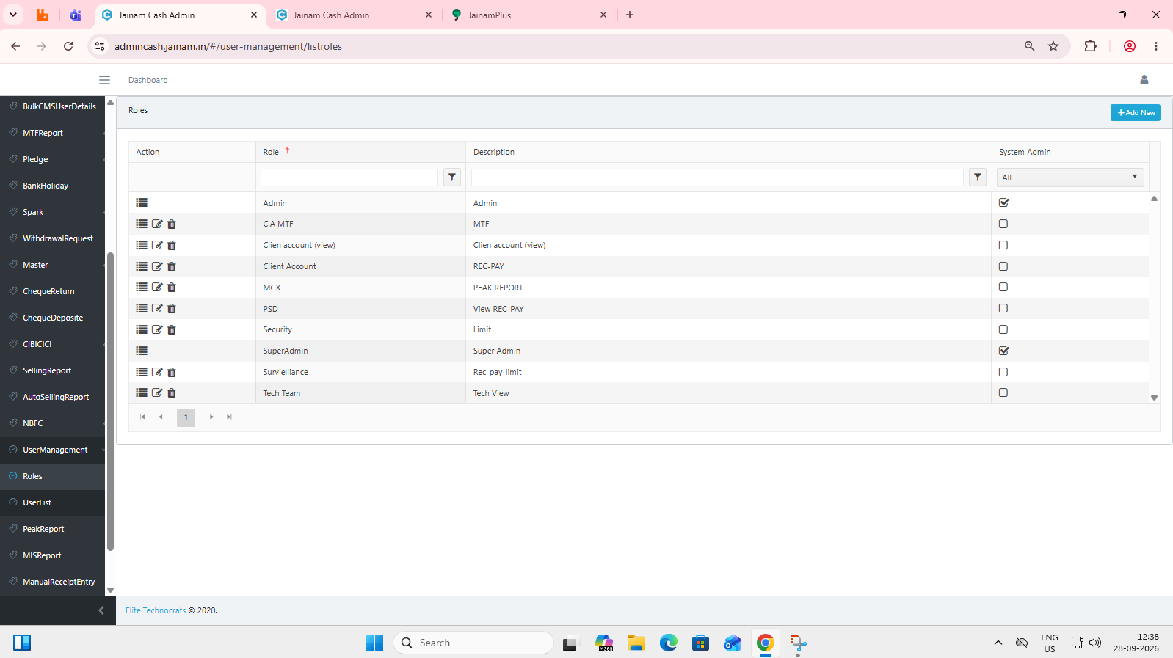

Elite cash admin ( production) steps :- user management >> user list |  |  |  |  |  |  | In-House cash admin ( preprod ) steps :- user management >> user list
 |  |  | Status :- Data matched

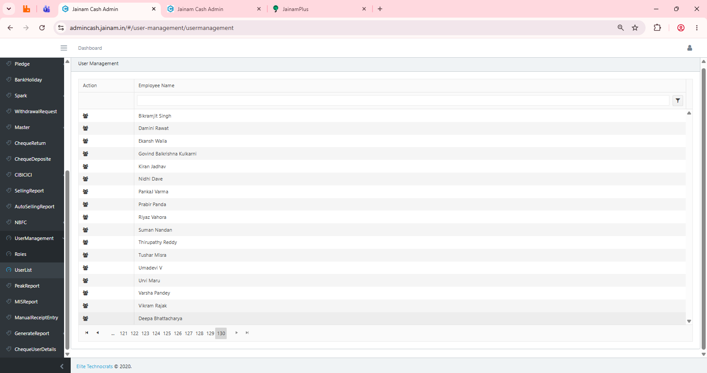
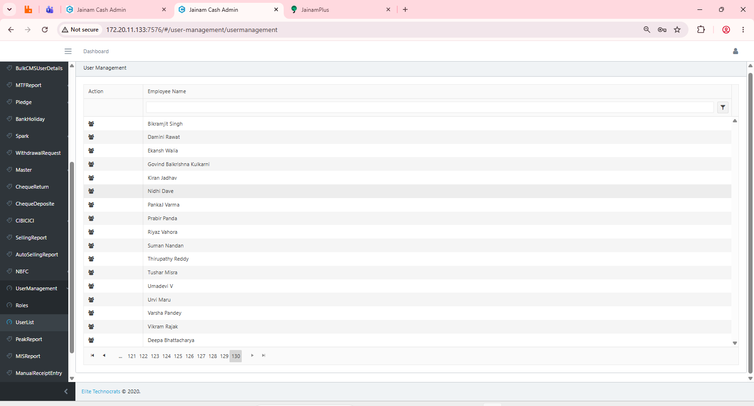

Elite Cash admin( production) :- Checque deposit Status :- Data matched |  |  |  | Status :- Data Matched |  |  |  | In-House cash admin ( pre-prod ) :- Cheque Deposit Status :- Data matched

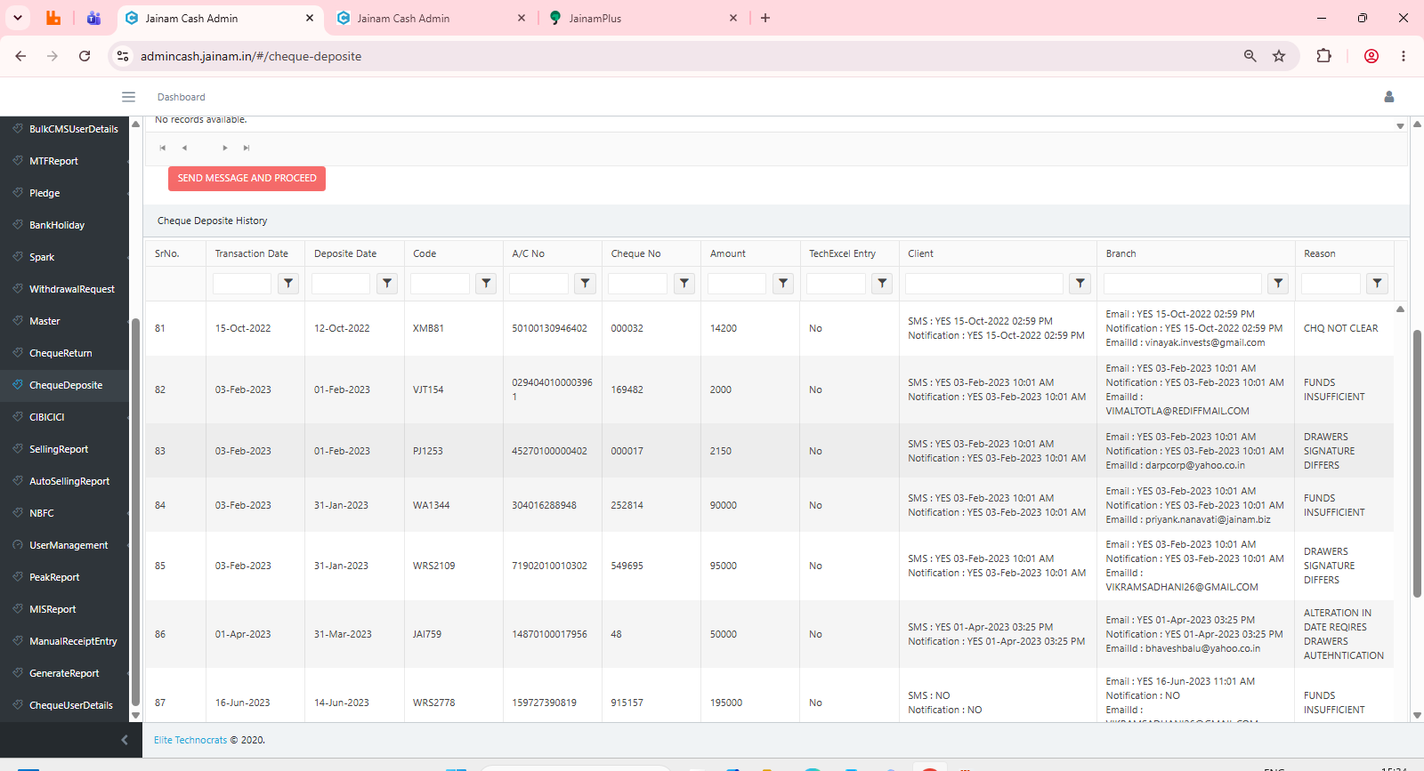
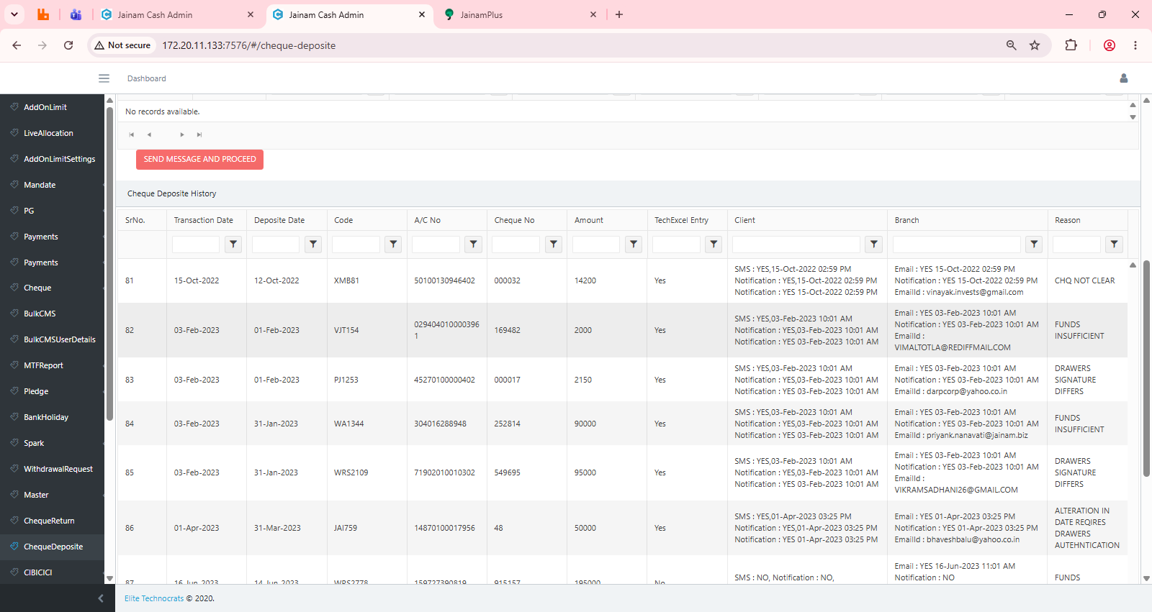

Elite cash admin :- Bulk CMS User Details |  |  |  | Status :- Data Matched |  |  |  | In-House Cash Admin :- Bulk CMS User Details

